Sheet1
类型 | 信号名称 | CAN_ID | Msg_Name | Signal Name | Signal Value | Value
报警指示灯 | 左转向 | 0x1f0 | BCM_LightChimeReq | BCM_TurnIndicatorLeft | 0x0: OFF 0x1: ON | 0x01
 | 右转向 | 0x1f0 | BCM_LightChimeReq | BCM_TurnIndicatorRight |  | 0x02
 | 危险指示灯 | 0x1f0 | BCM_LightChimeReq | BCM_TurnIndicatorRight |  | 0x01
 |  |  |  | BCM_TurnIndicatorLeft |  | 0x02
 | 远光灯 | 0x1f0 | BCM_LightChimeReq | BCM_HighBeamSts
 | 位置灯 | 0x1f0 | BCM_LightChimeReq | BCM_Positionlight |  | 0x08
 | 驾驶员安全带未系提醒 | 0x380 | ACU_ChimeTelltaleReq | ACU_DrvSeatbeltBucklestatus | 0x0: Safety belt tied Switch off 0x1: Safety belt not tied Switch on | 0x01:主 0x02:副
 |  |  |  | ACU_DrvSeatbeltBuckleInvalid | 0x0: Valid 0x1: Invalid
 | 发动机排放故障 | 0x288 | EMS_EngineDriverInfo | EMS_EngineMILTelltale | 0x0: Inactivate(熄灭) 0x1: Activate(点亮)
 | 发动机故障 |  |  | EMS_EngineSVSTelltale | 0x0: Inactivate 0x1: Activate
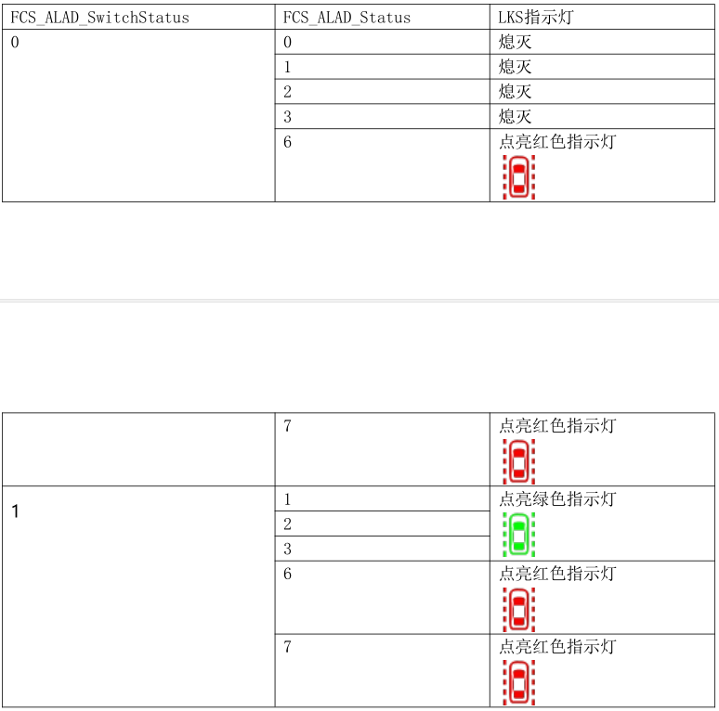
 | AEB指示灯(自动制动系统指示灯) | 0x1a2 | FRS_AEB | FRS_AEB_Status | 0x0: OFF 0x1: ON 0x2: AEB temporary error 0x3: AEB permanent error 0x4: AEB-PED not avalid 0x5: Reserved 0x6: Reserved 0x7: Reserved
 | LKS指示灯(车道偏移指示灯) | 0x1b0 | FCS_ALAD_Status | FCS_ALAD_SwitchStatus | 0x0: OFF 0x1: ON
 |  |  |  | FCS_ALAD_Status 信号错误，变为FCS_ALAD_Type才会触发 | 0x0: OFF 0x1: Passive 0x2: Standby 0x3: Active 0x4: Take over request(Reserved) 0x5: Safe stop(Reserved) 0x6: Temporary error 0x7: Permanent error | (MsgID:0x11)
 | 制动液位低 | / | 硬线信号输入：PIN11低电平 | / | Pin11高电平或悬空:熄灭 Pin11低电平:点亮
 | EPB驻车制动指示灯 或 AUTO HOLD开启/激活/故障 | 0x125 | ESC_Status | ESC_EPBStatus | 0x0: Released 0x00 0x00 0x1: Closed 0x00 0x01 0x2: In progress 0x00 0x02 0x3: Default value 0x00 0x03 | (MsgID:0x06)
 |  |  |  | ESC_AVHStatus | 0x0: Off 0x00 0x00 0x1: Intervention 0x00 0x04 0x2: Stand by 0x00 0x08 0x3: Error 0x00 0x0C | (MsgID:0x06)
 | 安全气囊 | 0x380 | ACU_ChimeTelltaleReq | ACU_AirbagWarningStatus | 0x0: OFF 0x00 0x1: ON 0x01 0x2: Flash(1Hz) 0x02 0x3: Unknow request | (MsgID:0x0F)
 | 机油压力低 | 0x288 | EMS_EngineDriverInfo | EMS_OilPressureWarning | 0x0: No Warning 0x1: Warning
 | TPMS胎压低指示灯 | 0x2fd | GW_BCM_Information | TPMS_SystemSt | 0:熄灭 1:闪烁60s后常亮，闪烁频率1HZ 2:点亮 3:持续闪烁（1HZ）
 | 蓄电池充电故障指示灯 | 0x288 | EMS_EngineDriverInfo | EMS_BatteryChargeSts | 0x0: No error 0x1: Error
 | ABS故障 | 0x125 | ESC_Status | ESC_ABSFailed | 0x0: ABS Normal 0x1: ABS Failed
 | 燃油低报警 | 0x26D | IPK_STS | IPK_FuelLevelSts
 | 水温高报警 | 0x288 | EMS_EngineDriverInfo | EMS_EngineCoolantTemperature | 0xff: Invalid
 |  |  |  | EMS_EngineCoolantTemperatureInvalid | 0x0: Valid 0x1: Invalid
行车信息 | 里程累计 & 里程小计 | 0x125 | ESC_Status | ESC_VehicleSpeed | 0~ 460.63125 0x1ffe: Abnormal 0x1fff: Invalid value
 |  |  |  | ESC_VehicleSpeedInvalid | 0x0: Valid 0x1: Invalid
 | 续航里程 | 0x85 | EMS_EngineRPM | EMS_FuelPulsesRollingCounter
 |  | 0x125 | ESC_Status | ESC_VehicleSpeed | 0~ 460.63125 0x1ffe: Abnormal 0x1fff: Invalid value
 |  |  |  | ESC_VehicleSpeedInvalid | 0x0: Valid 0x1: Invalid
 | 平均油耗
 | 瞬时油耗
 | 环境温度 | 0x2f1 | AC_ReqSts | AC_AmbientTemperature
 |  |  |  | AC_AmbientTemperatureInvalid | 0x0: Ambient Temperature valid 0x1: Ambient Temperature invalid

注：灰色部分表示：目前没有检测到ECP将CAN信号发出。

